Sheet1
Calculation of Fin Flutter Velocity v1.1
© 2023 John K. Bennett; BSD 2-Clause License (details at https://github.com/jkb-git/Fin-Flutter-Velocity-Calculator/blob/main/LICENSE)
December 2023
Primary reference: NACA TN 4917 - Dennis J. Martin, Summary of Flutter Experiences as a Guide to The Preliminary Design of Lifting Surfaces on Missles, February, 1958
This spreadsheet estimates the fin flutter velocity using Martin's method. See accompanying article Fin Flutter Analysis Revisited (Again) for implementation details and limitations.
Due to slight differences in atmospheric model constants, as well as rounding differences, Imperial and SI calculations for the same geometry and conditions may differ slightly.

Enter the data highlighted in green in either Imperial or SI Units (but not both)

Data to be Entered |  |  | Imperial Units |  | SI Units
Launch Site Data
MaxV | = | maximum predicted rocket velocity | 1500 | ft/sec | 457.2 | meters/sec
AMaxV | = | predicted altitude at predicted maximum rocket velocity | 14000 | ft | 4267.2 | meters
LSA | = | launch site altitude (ASL) | 4500 | ft | 1371.6 | meters
TLS | = | temperature at launch site | 65 | deg F | 18.3 | deg C
Use Default Temp? | = | Use Default Sea-Level Temp (DST) or Launch Site Temp (LST) | DST | DST or LST | DST | DST or LST

Fin Geometry Data
t | = | fin thickness | 0.1875 | in | 0.4763 | cm
m | = | fin sweep length | 4.285 | in | 10.88 | cm
TC | = | tip chord length | 2.5 | in | 6.35 | cm
RC | = | root chord length | 7.5 | in | 19.05 | cm | Suggested Values for GE
SSL | = | semi span length (height) | 3 | in | 7.62 | cm
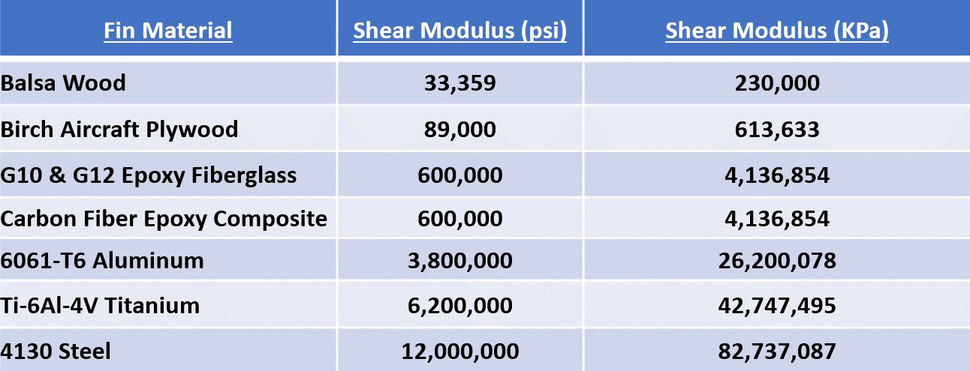
GE (shear modulus) |  | Shear Modulus (doubled in calculation if tip-to-tip reinforcement) | 600000 | psi | 4136854 | KPa
T2T | = | Tip-to-Tip reinforcing present? | NO | YES or NO | NO | YES or NO

Calculated Values
Cx (for trapezoidal fins) |  |  | 4.49 | in | 11.41 | cm
(edit formula for other fin shapes)
t/c (thickness ratio) |  | fin thickness / root chord length | 0.0250 |  | 0.0250

λ (lambda) (taper ratio) |  | tip chord length / root chord length | 0.3333 |  | 0.3333
(create "pseudo" tip chord if nec.)
Fin Area (trapezoidal fin) |  |  | 15.000 | in sq | 96.774 | cm sq
(edit formula for other fin shapes)
A (aspect ratio) |  | (semi-span length or height)2 / fin area | 0.6000 |  | 0.6000

ԑ (epsilon) |  |  | 0.3492 |  | 0.3492

DN (denominator constant) |  |  | 54.88 | psi | 378.39 | KPa

Tf or Tc (air temp at AMaxV) |  |  | -6.86 | deg F | -21.65 | deg C

a (speed of sound at AMaxV) |  |  | 1043.36 | ft/sec | 317.97 | meters/sec

p (air pressure at AMaxV) |  |  | 7.20 | psi | 49.57 | KPa

First Term |  |  | 291797.59 | psi | 2011866.56 | KPa

Second Term |  |  | 0.67 |  | 0.67

Third Term |  |  | 0.49 |  | 0.49

Vf |  |  | 2618.13 | ft/sec | 798.43 | meters/sec

Safety Margin |  |  | 1118.1 | ft/sec | 341.2 | meters/sec
Safety Margin % |  |  | 74.5 | % | 74.6 | %

